Sheet1
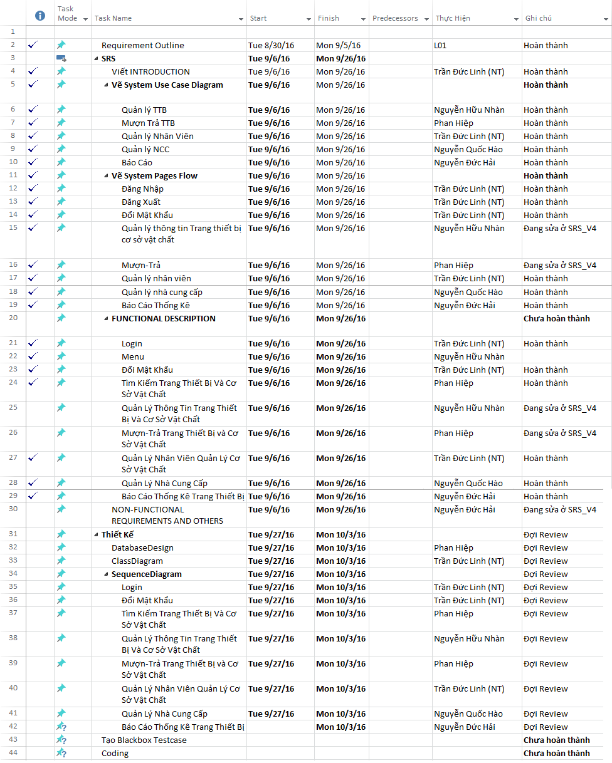
KH_HUE_L01_TaskManagement_v1.0

